Sheet1
Model Tuning
 | Epochs | Number of Convolutional layers | Number of Hidden Layers | Dropout | Random State | Accuracy Curve | Loss Curve | Classification Report | CM | Status
Phase 1 | 10 | 2 (32, 64) | 1 (output layer) | - | 0 | 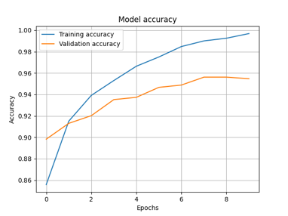 | 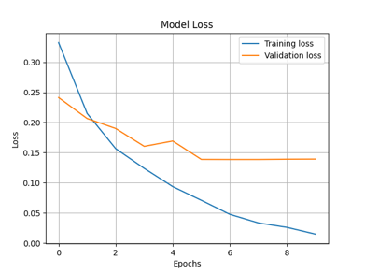 |  | 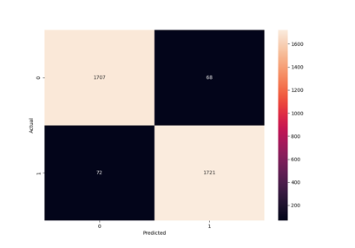 | Selected
 | 10 | 2 (32, 64) | 1 (output layer) | 0.2 | 0 | 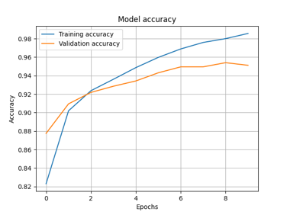 | 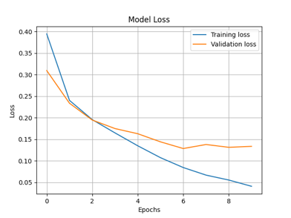 |  | 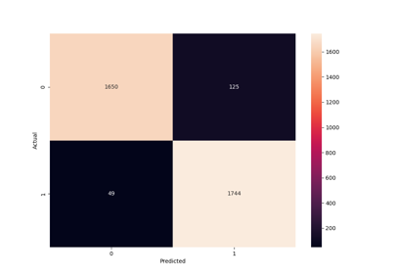
 | 10 | 2 (64, 64) | 1 (output layer) | 0 | 0 | 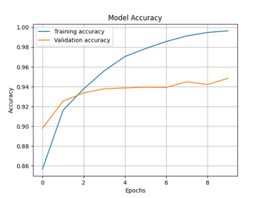 | 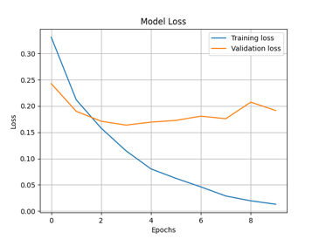 |  | 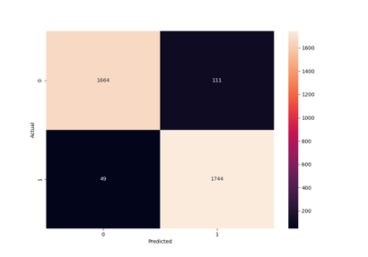
 | 10 | 2 (64, 64) | 1 (output layer) | 0.2 | 0 | 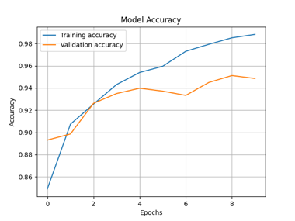 | 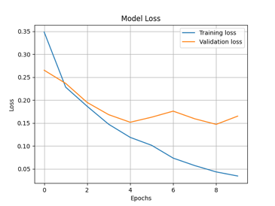 |  | 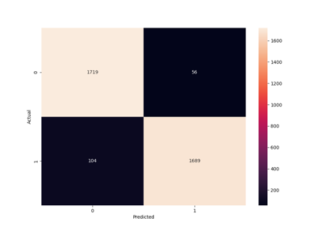 | Selected
Phase 2 | 10 | 2 (32, 64) | 1 Hidden (500 Neurons), 1 Output (2) | - | 0 | 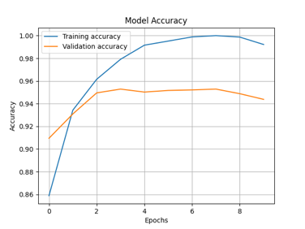 | 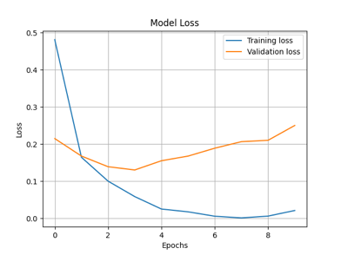 |  | 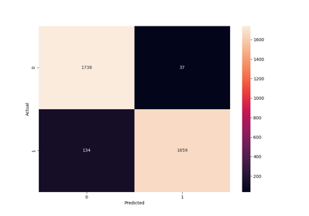 | Selected
 | 10 | 2 (32, 32) | 1 Hidden (200 Neurons), 1 Output (2) | 0.2 | 0 | 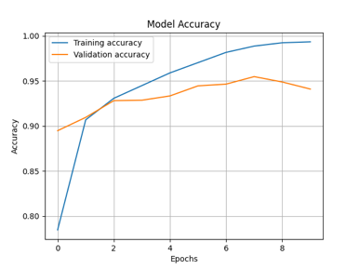 | 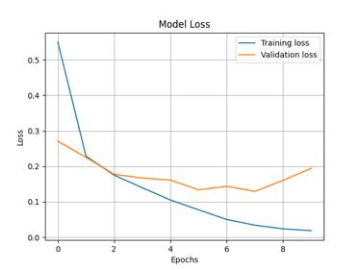 |  | 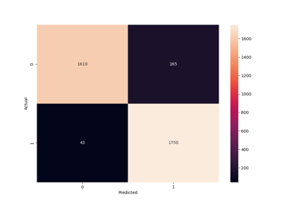
 | 10 | 2 (16, 32) | 1 Hidden (128 Neurons), 1 Output (2) | 0.2 | 0 | 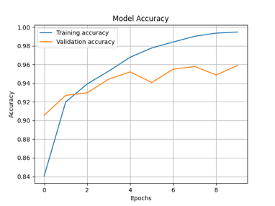 | 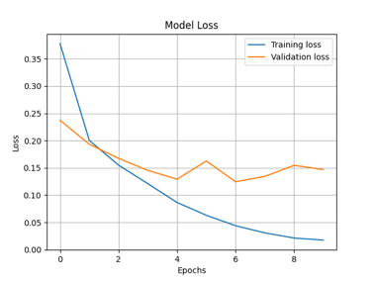 |  | 

